TossWon
Percentage of teams won toss
Percentage of Teams won Toss
Row Labels | Count of TossWinnerTeamAbb
PUN | 10
DC | 9
CSK | 9
KTK | 8
RR | 7
KKR | 7
MI | 6
RCB | 6
DEC | 6
PWI | 5
Grand Total | 73

TossDecision
Toss decision by Each Team

Total Decision by Each Team
 | bat | field
PUN | 3 | 7
DC | 4 | 5
CSK | 7 | 2
KTK | 3 | 5
RR | 1 | 6
KKR | 1 | 6
MI | 1 | 5
RCB |  | 6
DEC | 3 | 3
PWI | 2 | 3
Count of WinningTeam | Column Labels
Row Labels | bat | field | Grand Total
PUN | 3 | 7 | 10
DC | 4 | 5 | 9
CSK | 7 | 2 | 9
KTK | 3 | 5 | 8
RR | 1 | 6 | 7
KKR | 1 | 6 | 7
MI | 1 | 5 | 6
RCB |  | 6 | 6
DEC | 3 | 3 | 6
PWI | 2 | 3 | 5
Grand Total | 25 | 48 | 73

TeamsWon
Percentage of Teams Won Matches

Percentage of Teams won Matches
Row Labels | Count of WinningTeam
CSK | 11
RCB | 10
MI | 10
KKR | 8
PUN | 7
RR | 6
DEC | 6
KTK | 6
DC | 4
PWI | 4
#N/A | 1
Grand Total | 73

IPLCountry
Total Matches Played in Each Country
Percentage of matches played in each country
Row Labels | Count of ID
India | 73
Grand Total | 73

TitleWon
Total No of Titles won by Each Team

MatchNumber | Final
Total No of Titles won by Each Team
Row Labels | Count of WinningTeam
CSK | 1
Grand Total | 1

Player_MoM
Players with Most no of MoM

Top 10 players with most no of Man of the Match Awards
Row Labels | Count of Player_of_Match
CH Gayle | 6
MEK Hussey | 3
R Sharma | 2
V Sehwag | 2
SL Malinga | 2
BB McCullum | 2
PC Valthaty | 2
Iqbal Abdulla | 2
SK Warne | 2
M Vijay | 2
V Kohli | 2
YK Pathan | 2
BJ Hodge | 2
A Mishra | 2
MM Patel | 2
Grand Total | 35

Stadium_Max
Stadiums with Most no of Matches Played
Top 10 Stadiums with most no of Matches

Row Labels | Count of ID
Holkar Cricket Stadium | 2
Himachal Pradesh Cricket Association Stadium | 3
Punjab Cricket Association Stadium | 4
Nehru Stadium | 5
M Chinnaswamy Stadium | 6
Feroz Shah Kotla | 7
Dr DY Patil Sports Academy | 7
Rajiv Gandhi International Stadium | 7
Eden Gardens | 7
Sawai Mansingh Stadium | 7
MA Chidambaram Stadium | 9
Wankhede Stadium | 9
Grand Total | 73

Dashboard
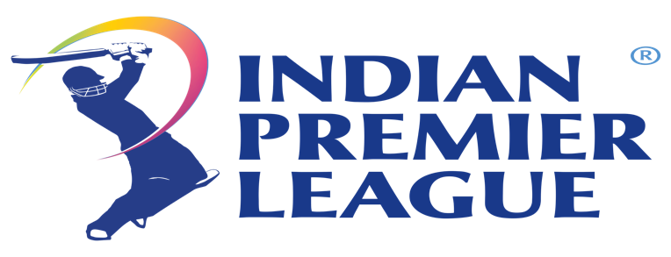
Title Winner Team
Chennai Super Kings
Winning Team Captain
MS Dhoni
Player of the Match in Final
Murali Vijay
Player of the Series
Chris Gayle

Percentage of Teams won Toss
 | Total
PUN | 10
DC | 9
CSK | 9
KTK | 8
RR | 7
KKR | 7
MI | 6
RCB | 6
DEC | 6
PWI | 5
Top 10 players with most no of Man of the Match Awards
 | Total
CH Gayle | 6
MEK Hussey | 3
R Sharma | 2
V Sehwag | 2
SL Malinga | 2
BB McCullum | 2
PC Valthaty | 2
Iqbal Abdulla | 2
SK Warne | 2
M Vijay | 2
V Kohli | 2
YK Pathan | 2
BJ Hodge | 2
A Mishra | 2
MM Patel | 2
No of Matches with SuperOver | No of Matches with D/L

0 | 3

Total Decision by Each Team
 | bat | field
PUN | 3 | 7
DC | 4 | 5
CSK | 7 | 2
KTK | 3 | 5
RR | 1 | 6
KKR | 1 | 6
MI | 1 | 5
RCB |  | 6
DEC | 3 | 3
PWI | 2 | 3

Percentage of Teams won Matches
 | Total
CSK | 11
RCB | 10
MI | 10
KKR | 8
PUN | 7
RR | 6
DEC | 6
KTK | 6
DC | 4
PWI | 4
#N/A | 1

Stadiums with Most no of Matches Played
 | Total
Holkar Cricket Stadium | 2
Himachal Pradesh Cricket Association Stadium | 3
Punjab Cricket Association Stadium | 4
Nehru Stadium | 5
M Chinnaswamy Stadium | 6
Feroz Shah Kotla | 7
Dr DY Patil Sports Academy | 7
Rajiv Gandhi International Stadium | 7
Eden Gardens | 7
Sawai Mansingh Stadium | 7
MA Chidambaram Stadium | 9
Wankhede Stadium | 9

Total No of Titles won by Each Team
 | Total
CSK | 1

Percentage of matches played in each country
 | Total
India | 73

